Sheet1
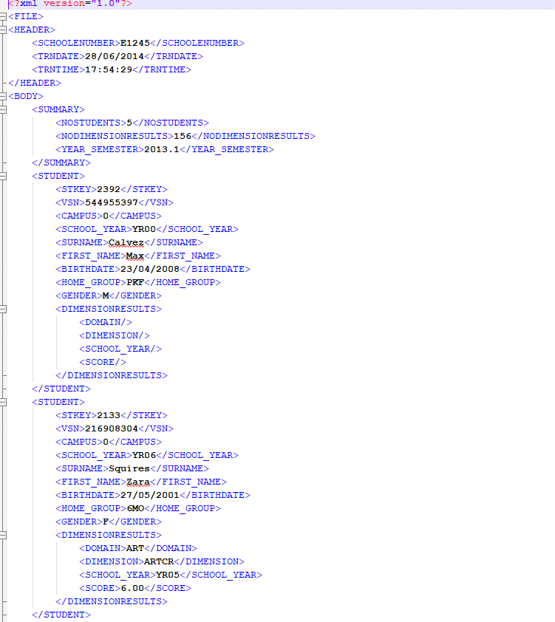
Internal Name | Description | Example of Format
TEACHERJUDGEMENTS_TJREPORT | Old generic teacher judgement XML file used by Catholic schools

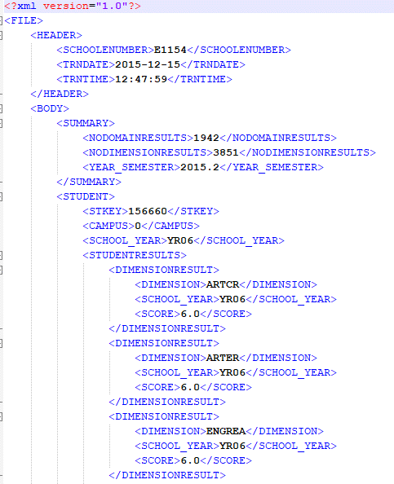
TEACHERJUDGEMENTS_TJREPORTV2 | Similar to TJREPORT except student results are wrapped in a STUDENTRESULTS tag similar to CASES21 format

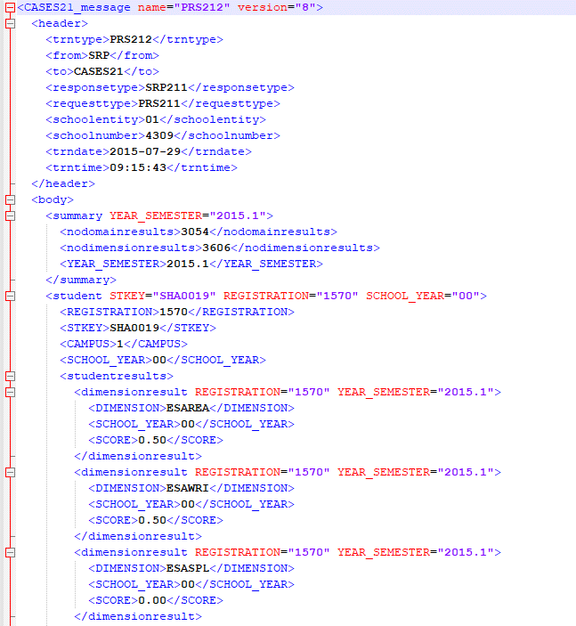
TEACHERJUDGEMENTS_CASES21_AUSVELS | CASES21 style teacher judgement XML file
 | There are several different variations in the code on how to handle this format depending on the date of the file - specifically whether it is dated before 2017, during 2017, or 2018 and after. I believe these variations are curriculum-related as VC results store domain/dimension specific results in a different way but I have not looked into it in detail.

TEACHERJUDGEMENTS_SIMON | Teacher judgements excel spreadsheet exported by SIMON (used by Catholic schools mostly)

TEACHERJUDGEMENTS_NFORMA | Teacher judgement excel spreadsheet exported by nForma
 | (I also have one in .txt format so that might be used also)

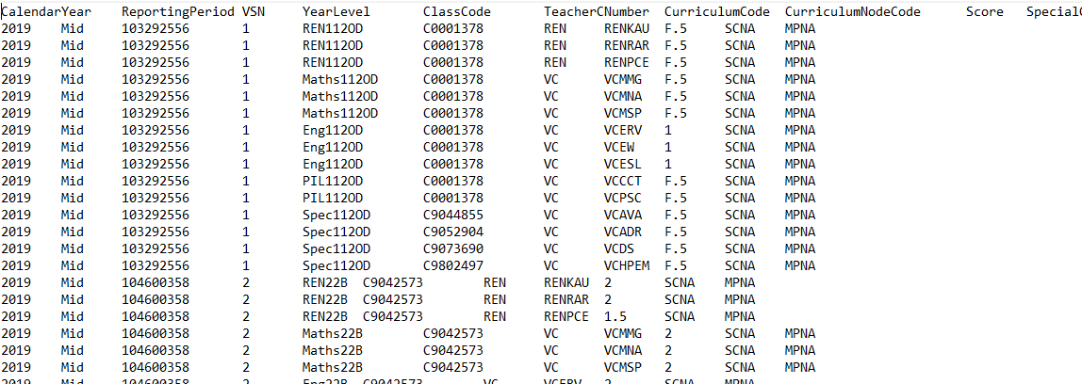
TEACHERJUDGEMENTS_TJAS | TJAS teacher judgement format (either .txt or excel file)

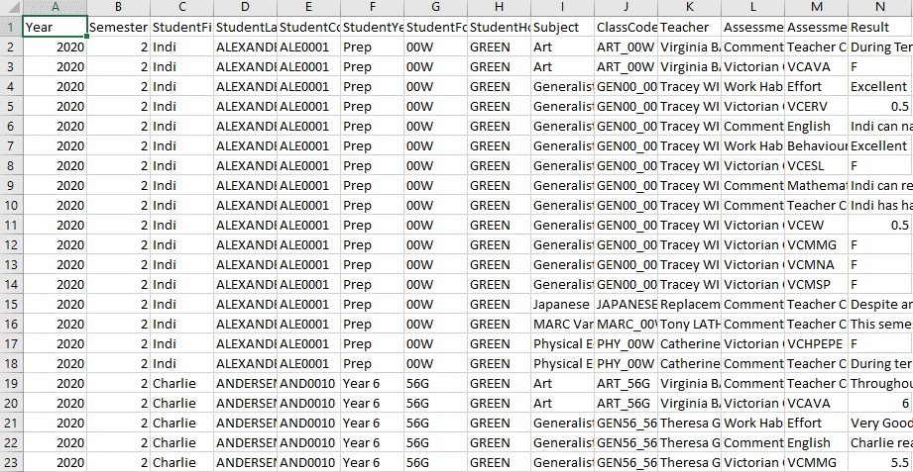
TEACHERJUDGEMENTS_COMPASS | Teacher judgement CSV exported by Compass
 | (Year and Semester must be added manually before use. Only the 'Result' rows are used, others are ignored)

TEACHERJUDGEMENTS_SENTRAL | Teacher judgement CSV exported by Sentral
 | (Year and Semester must be added manually before use. May require some manual modification to work correctly - including removing duplicate column names (which will overwrite the originals) and removing entries that do not include strand-specific results for domains that require them.)

